C_photos
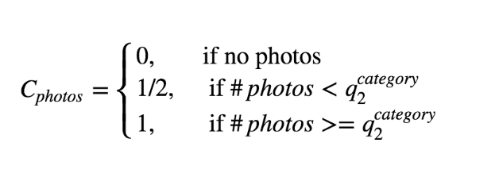

 | Nof photos
 | q2
Accessories | 3
Accessories, care and nutrition | 3
Accessories, games and programs | 2
Appliances | 3
Audio, TV, Video and Photography | 3
Bags, wallets and belts | 4
Bedroom | 3
Care and Nutrition | 2
Cars | 7
Chairs and strollers | 3
Clothing & Apparel | 3
Clothing and footwear | 4
Clothing, footwear and accessories | 3
Collectables | 3
Consoles and games | 2
Cookware | 2
Decorative articles | 3
Dining area | 3
Dresses, skirts and costumes | 3
Equipment, accessories and hobbies | 4
Fashion Jewelry | 3
Furniture and white | 3
Garden and tools | 3
Hall | 3
Health and Beauty | 2
Holiday rents | 6
Laptops, PCs and tablets | 4
Lens caps and other accessories | 3
Light trucks | 8
Motorcycles | 4
Music, books and movies | 2
Musical instruments | 4
Nautical and aerial | 5
Organization and cleaning | 3
Other Apparel | 3
Other furniture | 2
Pants and shorts | 4
Parts and other | 3
Pets | 3
Pick up | 7
Rent property | 6
Sale property | 6
Shoes | 3
Stationery, school and office | 3
Stereos and sound | 3
Sweaters, coats and jackets | 3
Telephony | 4
Toys | 3
Trailers | 3
Transfers | 4
Trucks and commercial | 5
Ventilation and heating | 3
Watches | 4
Wheels and tires | 3

